DRAWINGS
3.5T WA SLEWSPINE ZTS USTR
Sr. No. | ASSY NO | PART NO | REV | DESCRIPTION | QTY | PICTURE
1 | A | 401/P8754 | 3 | WA SLEWSPINE ZTS USTR (View) | 1 | 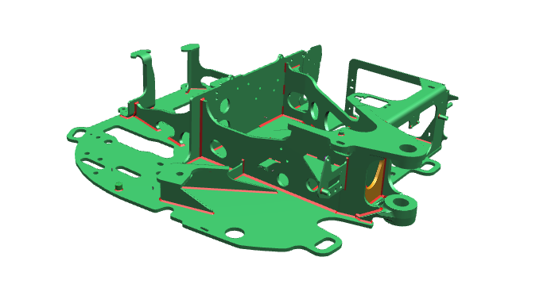
2 | 1 | 401/W0472 | 1 | PLT BTTM SSPINE ZTS USTR | 1 | 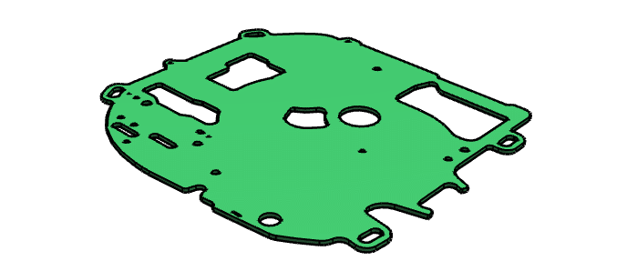
3 | 2 | 401/T6477 | 1 | PRS LH RIB S/SPINE CAST USTR | 1 | 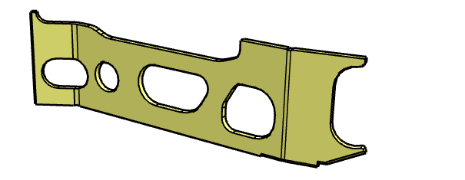
4 | 3 | 401/V9182 | 1 | PRS RH RIB SSPINE USTR | 1 | 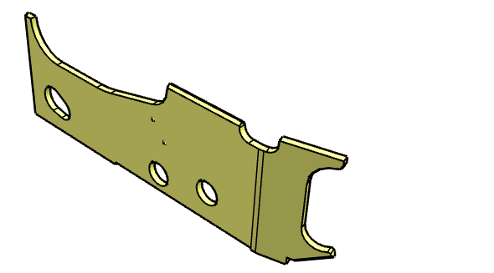
5 | 4 | 401/P6222 | 1 | PLT CROSS RIB SSPINE USTR | 1 | 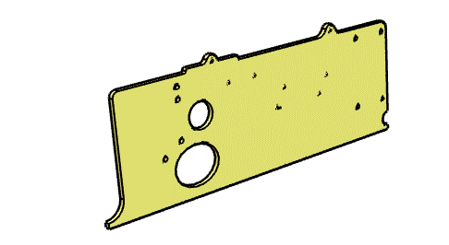
6 | 5 | 401/V9013 | 1 | PLT RIB RH REAR USTR | 1 | 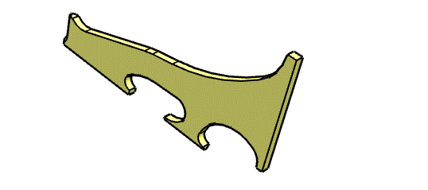
7 | 6 | 401/V9016 | 1 | PRS ENGINE MOUNT USTR (View) | 1 | 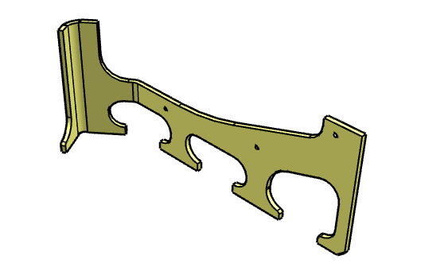
8 | 7 | 401/L9744 | 1 | PRS SWING RAM MOUNT S/SPINE USTR | 1 | 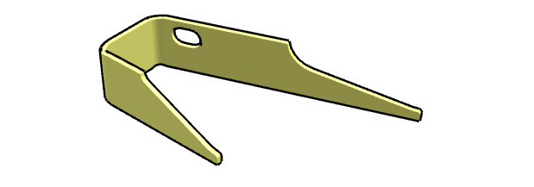
9 | 8 | 401/W4730 | 1 | PLT S/RAM MOUNT USTR | 1 | 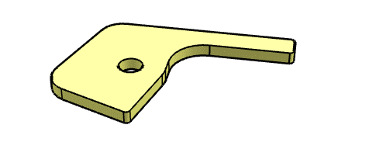
10 | 9 | 401/N8042 | 1 | PRS MCV MNT SSPINE USTR (View) | 1 | 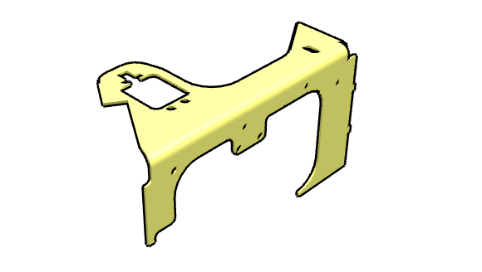
12 | 11 | 401/T0140 | 1 | PLT MCV MNT SSPINE USTR (View) | 1 | 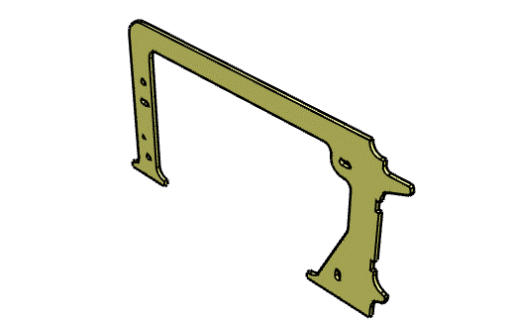
13 | 12 | 401/S7468 | 1 | PLT SUPPORT SSPINE USTR | 1
14 | 13 | 401/V9028 | 1 | PLT KP CARRIER SSPINE USTR | 1
15 | 14 | 401/F5008 | 4 | CAST CARRIER S/SPINE BOTTOM USTR (View) | 1
16 | 15 | 401/L9835 | 1 | PLT HOSE GUIDE S/SPINE USTR | 1 | 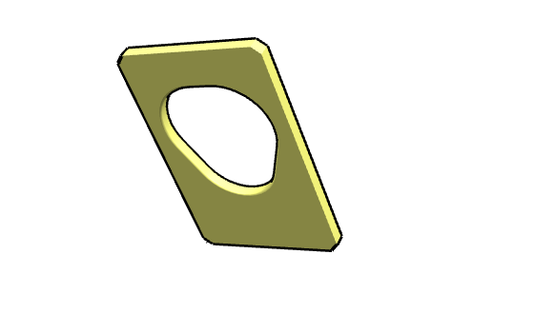
17 | 16 | 401/C0284 | 1 | PLT S/MOTOR MNT S/SPINE USTR ZTS | 1
18 | 17 | 401/V9026 | 1 | PRS ENGINE MNT USTR | 1
19 | 18 | 401/V9014 | 1 | PLT ENGINE MNT USTR | 1
20 | 19 | 401/V9021 | 1 | PLT ENGINE MNT USTR | 1
21 | 20 | 401/V9027 | 1 | PLT ENGINE MNT RIB USTR | 1
22 | 21 | 401/V9984 | 1 | PRS ENGINE MNT SUPRT USTR | 1
23 | 22 | 401/C3611 | 1 | PLT CROSS RIB USTR | 1
24 | 23 | 401/Y5887 | 1 | PRS END BULKHEAD USTR (View) | 1
25 | 24 | 826/10604 | 1 | M10 WELD NUT (SELF-LOCATING) | 4
26 | 25 | 826/10602 | 2 | M6 WELD NUT (SELF-LOCATING) | 2
27 | 26 | 401/D3455 | 1 | MISC MOUNT BOSS M10 1.5X39L | 2
28 | 27 | 401/D5352 | 1 | MISC MOUNT BOSS M10 1.5X95.5L | 1
29 | 28 | 401/J3977 | 1 | PLT RIB SUPPORT USTR | 1
30 | 29 | 401/P8761 | 1 | WA MNT RH SKIRT USTR (View) | 1
31 | 29.1 | 401/L9484 | 1 | PLT MOUNT RH SKIRT USTR (View) | 1
32 | 29.2 | 401/G2729 | 1 | MISC MOUNT BOSS M10 1.5X30.5L | 1
33 | 29.3 | 401/G3309 | 1 | PLT MOUNT SUPPORT USTR | 1
34 | 29.4 | 826/10604 | 1 | M10 WELD NUT (SELF-LOCATING) | 1
36 | 30 | 826/01785 | 3 | M28 PLAIN NUT | 1 | 
37 | 31 | 401/L7557 | 1 | PLT ENGINE ACCESS USTR | 1
38 | 32 | 822/00203 | 6 | WELD STUD - FIR TREE DIA 5 | 13
39 | 33 | 332/D7316 | 1 | BOSS 30 X 25 | 5 | 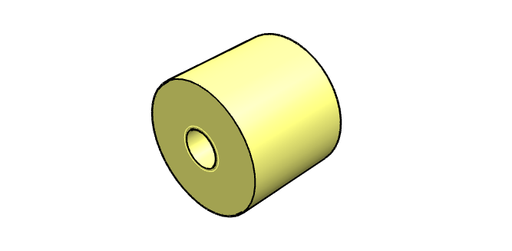
40 | 34 | 401/J0153 | 1 | PLT KING POST MNT 35THK USTR | 1
41 | 35 | 401/N7182 | 1 | MISC MOUNT BOSS M10 1.5X14L | 1
42 | 36 | 401/M3911 | 1 | PLT SPREADER LOAD USTR | 1
43 | 37 | 401/S5791 | 1 | PRS SUPPORT TANK FUEL REAR | 1
44 | 38 | 401/V8936 | 1 | PLT INTERNAL BRACE USTR | 1 | 